West zone data
 |  |  |  |  |  | merge data from different sheets and then make pivot table

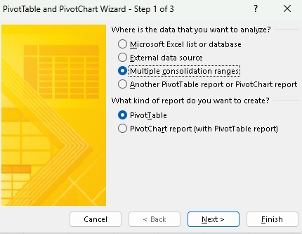
Region | product | 2015 | 2016 | 2017 | 2018 |  | press alt + d + p
west | nokia | 2364 | 2848 | 2174 | 2630
west | samsung | 3551 | 3678 | 2897 | 2894 |  |  |  | method 2
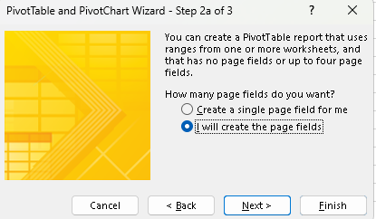
west | vivo | 3263 | 3434 | 3972 | 3353
west | apple | 3584 | 2794 | 2759 | 2604

 |  |  |  |  |  |  |  |  | create a single page field for me is method 1
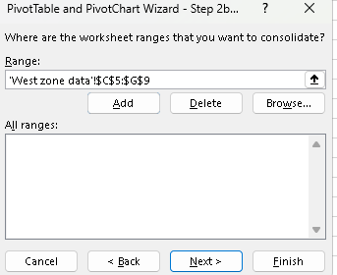

 |  |  |  |  |  |  |  | similarly add all the tables

